Welcome
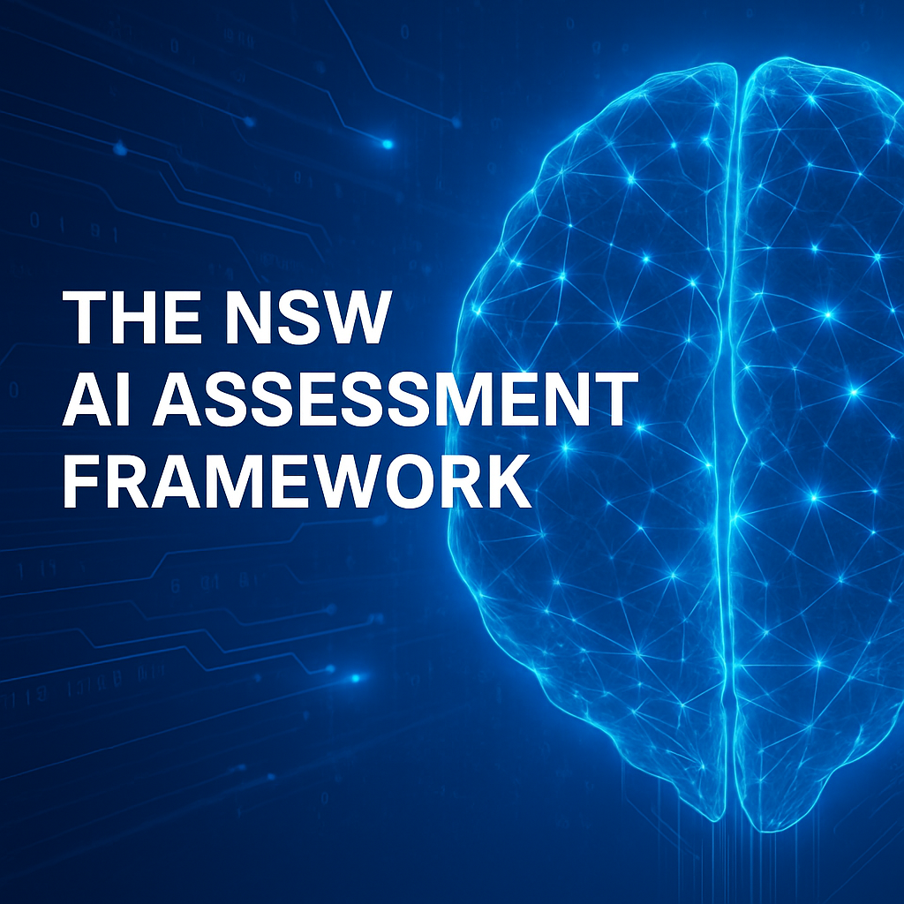
When to Apply the AIAF |  | When you may not need to apply the AIAF
The AIAF must be applied at defined points across the AI system lifecycle, and whenever risks, context, or system functions change in ways that could affect outcomes or oversight. |  | Use of publicly accessible, browser-based AI services for general or exploratory purposes — such as drafting, summarising, or ideation — may be managed under your agency’s Acceptable Use Policy. Where such use is expressly authorised and governed by those policies, that policy position takes precedence over this framework. If your agency’s Acceptable Use Policy does not explicitly address or permit this type of AI use, or if there is any uncertainty about its coverage, the AIAF must be applied before the tool or service is used with agency data or within agency work.
At Key Project Phases:
• | Concept or Design: When exploring or designing a new AI use case.
• | Procurement: When sourcing an AI system, service, or embedding AI in procured products.
• | Pilot/validation: Before and during pilot testing to verify correct operation.
• | Deployment: Before deployment at scale.
• | Operations: Throughout live use, including monitoring and maintenance.
• | Review or Retirement: At project close, or when re-evaluating risk across the lifecycle.
When Risk or Context Changes:
• | Introducing AI into an existing system.
• | Discovering AI is in use but has not yet been assessed.
• | Any change to data, algorithm, model, or technology.
• | Change in purpose, use case, or intended use.
• | Change in the level of human oversight or involvement.
Based on Risk Triggers:
Use the NSW AI Assessment Framework if your system learns, adapts, or performs tasks requiring human-like intelligence, such as making predictions, recommendations, decisions, generating content, or automating decision-making*. Where these characteristics are present, the Framework helps ensure AI is used ethically, reliably, and with minimal risk of harm.
*Automated decision-making is only considered AI where the system learns, adapts, or generates outputs beyond fixed rules. If it simply follows hard-coded logic, it is not considered AI under the AIAF.
• | Produces or influences administrative decisions with legal or similar significant effect.
• | Triggers a real-world action with meaningful impact.
• | Operates autonomously without manual initiation.
• | Automates one or more critical steps in decision-making.
• | Is trained on or generates sensitive information.
• | Carries risk of system failure, misuse, or harm.
• | Lacks explainability or transparency in outputs.

Instructions
▼Instructions
 |  |  | 0
HOW TO USE THE AI ASSESSMENT FRAMEWORK |  | USECASE INFORMATION

 | All NSW Government agencies must use this tool in line with DCS Circular 2024-04. The AIAF is mandatory for all AI systems and must be applied across the full system lifecycle—from concept to retirement—and re-run when risks, data or deployment change. Step 1 – Assemble the right expertise - Complete the assessment with input from relevant subject-matter experts in business, data, privacy, technical design, and ethics. While simple use cases may be self-assessed, involving the right expertise improves accuracy, consistency, and audit value. Step 2 – Complete the Assessment - Complete the usecase information fields on this tab. - Go to the Assessment tab and answer all 16 questions. - The tool displays your risk level and any mandatory assurance requirements (e.g. PIA, HRIA, cyber review). - Note these requirements — they must be completed as part of your post-assessment actions. Step 3 – DeepDive (optional but recommended) - Explore the DeepDive tab to consider additional risks and treatments relevant to your use case. - Focus Questions link to good-practice controls and mitigation options. - Any new risks you identify will appear automatically in the Risk Register for monitoring and management. ⚠ Due to Excel limitations, avoid changing your Assessment answers after starting the DeepDive. Step 4 – Post Assessment Actions - Complete the Audit Record tab for sign-off. After Completion: - Store this record in your agency’s records management system. - High or Critical risks → register in your agency’s AI register. - High or Critical risks → must be referred to the AI Review Committee before proceeding further (email:AISecretariat@customerservice.nsw.gov.au). - Action mandatory requirements and record risk acceptance as required. Re-run the AIAF when: - A new AI feature, dataset, or deployment change occurs - The purpose, scope, or decision context changes - A complaint, incident, or new policy trigger arises | Project Title:

 |  | Project Description

 |  | Is this project valued at over $5M(ETC) and/or funded by the Digital Restart Fund?

 |  | Who is completing this assessment?:

 |  | Date Completed:dd/mm/yyyy

Assessment
▼STEP 1 - Answer all the assessment questions, review your answers, adjust if required.
▼STEP 2 - Toggle between Ethical and Technical feedback
click cell to toggle >
Assessment Outcome.
▼STEP 3 - Your assessment outcome may include mandatory requirments ⚠ that must be met.
Please share your completed assessment along with any feedback you have on the new tool.
ASSESSMENT |  | ETHICAL CONSIDERATIONS | RISK BAND | POST ASSESSMENT GUIDANCE |  | 📧
Q1 | What phase of the system lifecycle are you assessing? |  |  |  |  |  | DIGITAL NSW: NSW ARTIFICIAL INTELLIGENCE - ASSESSMENT FRAMEWORK (AIAF)
Q2 | Which best describes the AI system being assessed?
Q3 | What is the main purpose of the AI system?
REQUIRED OVERSIGHT
Q4 | Which of the following best describes the primary data your system collects, uses, discloses, or stores?
Q5 | How is the AI system deployed within your organisation’s environment?
ETHICAL RISK PROFILE
Q6 | Who determines or controls the system’s logic or learning behaviour?
 | Principles | Max 10 | Ethical Profile
Fairness | 0 | 100 | 5
Privacy & Security | 0 | 100 | 5
Transparency & Explainability | 0 | 100 | 5
Accountability | 0 | 100 | 5
Human/Social/Environmental Wellbeing | 0 | 100 | 5
Human-Centred Values | 0 | 100 | 5
Reliability & Safety | 0 | 100 | 5
Contestability | 0 | 100 | 5
Q7 | What types of decisions are influenced or made by the AI system?
Q8 | What is the worst credible harm to people or rights?
Q9 | To what extent does the AI system operate without human intervention?
Q10 | What level of human oversight or governance is applied to system decisions and behaviour?
Q11 | Which stakeholder group is primarily impacted by the system’s outputs or actions?
GUIDANCE KEY
Q12 | What is the potential operational impact if the system fails?
Q13 | Are decisions or outputs from the system reversible or correctable? |  | ⟳ Compliance Obligation
Q14 | Does this AI system have clear and timely mechanisms to correct errors or provide redress if harm occurs? |  | ⚠ Mandatory Requirement
Q15 | Has your organisation assessed potential community or stakeholder impacts and implemented appropriate risk mitigations? |  | ⚖ Ethical Consideration
Q16 | Does the system interact with or form part of a broader system ecosystem? |  | ☆ Recommended

 |  |  |  |  | DIGITAL NSW - OFFICE OF AI: NSW ARTIFICIAL INTELLIGENCE - ASSESSMENT FRAMEWORK (AIAF)

DeepDive
▼Recommended treatments are generated from your focus question responses to highlight key risks and suggest ways to address them.
⮞

YOUR ASSESSMENT RESPONSE | FOCUS QUESTIONS | RISK AREA | SME | YOUR ANSWER | RECOMMENDED TREATMENT | RISKS AND SUGGESTED MITIGATIONS

Audit Record
▼To complete the assessment have the relevant responsible officers sign off.
▼Results of the Assessment – Evidence for Oversight Review
Complete Assessment |  |  | Use-case Description |  |  | Post Assessment Guidance |  |  |  | Ethical Risk Profile |  |  |  |  |  |  |  | Risks Surfaced in DeepDive | 1
Sign off |  |  | Title | 0 |  | AIAF Version |  | PROD-01
You are formally attesting that you have completed the AI Assessment for this use case, reviewed the identified risks, and accept accountability for ensuring all mandatory requirements are actioned and appropriate controls are implemented. By signing, you confirm that this record will be retained in the agency’s records management system, that all required oversight (SME, Legal, AIRC) has been or will be engaged where triggered, and that: - Any High or Critical risks have been registered in your agency’s AI register; and - Any High or Critical use cases have been referred to the AI Review Committee (AIRC). You also acknowledge that this assessment represents a point-in-time review and must be updated or re-run if material changes are made to the system or when it progresses into a new lifecycle phase. |  |  | Description | 0
 |  |  |  |  |  | ⟳ Compliance Obligation | ⚠ Mandatory Requirement | ⚖ Ethical Consideration |☆ Recommended |  |  |  | Fairness | Privacy & Security | Transparency & Explainability | Accountability | Human Social Environmental Wellbeing | Human-Centred Values | Reliability & Safety | Contestability

 |  |  | Completed by | 0 |  | Requirements Surfaced |  |  | Triggered By: | Ethic Principle Statements
 |  |  | Risk Band |  | No risk signals detected in this assessment | ⟳ | Privacy Laws | All AI systems must comply with the Privacy Act 1988 (Cth), the PPIP Act 1998 (NSW), and the HRIP Act 2002 (NSW), applying safeguards to prevent re-identification, unauthorised access and misuse. | The system uses sensitive or de-identified data (data:personal_sensitive, data:deidentified) or involves vulnerable or agentic public stakeholders (stakeholder:vulnerable_group, stakeholder:agentic_public). | AI must be used fairly by avoiding bias and inequality through diverse, representative datasets, ensuring data relevance and quality, and testing outputs for demographic fairness. | AI must apply privacy-by-design and security-by-design, manage re-identification risks, comply with the NSW Cyber Security Policy, and follow the Privacy Commissioner’s 7 Privacy by Design principles. | Agencies must ensure AI outputs are explainable, with documentation of data sources, models, and decision logic, as transparency is critical to maintaining public trust. | Clear responsibility for AI outcomes must be assigned, with officers signing off assessments and governance structures ensuring accountability, including escalation to AIRC and SMEs for higher-risk cases. | Agencies must monitor AI systems for unintended consequences, secondary harms, and long-term community impacts, including indirect harms such as erosion of trust. | AI use must respect human rights, autonomy, diversity, and inclusion, and consider the lived experience of minority and vulnerable groups throughout the system lifecycle. | AI systems must operate reliably under varied conditions, with performance measured for accuracy, precision, sensitivity, and specificity, and with customised monitoring for high-risk systems. | AI outcomes that affect individuals or groups must be open to challenge, with accessible redress mechanisms and escalation to responsible officers where risks are identified.
Responsible Officers |  |  | Oversight |  |  | ⟳ | Ethics Principles | AI systems must actively demonstrate compliance with all NSW AI Ethics Principles (fairness, transparency, accountability, privacy, community benefit) across their lifecycle. | All AI systems must demonstrate compliance with ethics principles.
Enter your name, and the date to formally sign off and approve the assessment. |  |  |  |  |  | ⟳ | Cyber Policy | AI systems must comply with the NSW Cyber Security Policy and address AI-specific vulnerabilities introduced through models, training data, and automation. | All AI projects must comply with NSW Cyber Security Policy.
Role | Named Officer | Date |  |  |  | ⟳ | Legal Compliance | AI systems must comply with all applicable laws, including human rights and anti-discrimination, with legal review or HRIA where rights may be affected. | All AI projects must comply with all applicable laws.
Technical Product Owner |  |  | $5M+(ETC) and/or DRF? | 0
Data Owner |  |  | Date Completed | 0 | USE CASE DESCRIPTION
Business Sponsor |  |  | Assessment Responses | Q1,
 |  |  |  | Q2, |  |  |  |  |  | Use Case Ethical Risk
SME Review |  |  |  | Q3, |  |  |  |  |  | LOW | LOW | LOW | LOW | LOW | LOW | LOW | LOW
 |  |  |  | Q4, |  |  |  |  |  | Suggested guidance:
Role | Named Officer | Date |  | Q5, |  |  |  |  |  | State fairness objectives, use representative data, and run basic bias checks. | Apply privacy-by-design and security-by-design, and follow agency privacy and cyber baselines. | Disclose AI use to users and maintain plain-English descriptions of data, logic and limitations. | Define roles, responsibilities and audit trails, and record key decisions and assumptions. | Document intended public benefits and expected outcomes, including any known externalities. | Confirm compliance with rights, diversity and inclusion standards, and ensure user needs are noted. | Test system performance against intended use, recording accuracy, precision, sensitivity and specificity. | Provide clear contact details and a basic feedback or complaints pathway, with manual review available.
Legal Reviewer |  |  |  | Q6,
Data Reviewer |  |  |  | Q7,
Privacy Reviewer |  |  |  | Q8,
Security Reviewer |  |  |  | Q9,
 |  |  |  | Q10,
AIRC Review |  |  |  | Q11,
 |  |  |  | Q12,
 | Named Officer | Date |  | Q13,
AISecretarit contacted |  |  |  | Q14,
 |  |  |  | Q15,
 |  |  |  | Q16,

